10_OverView
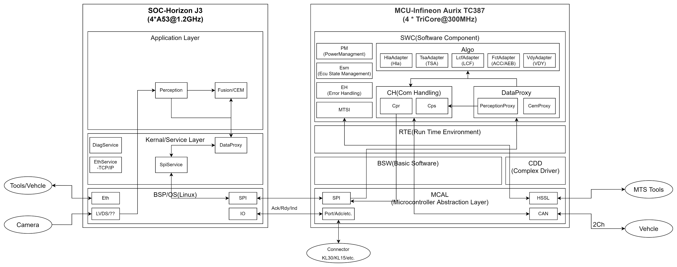

13_TaskMapping
Core | OsApplication | Task | Runnable | Position | Event | Offset(ms) | Comments | Log | Runnables | Task
Core0 | OsApplication_C0 | Core0_DefaultTask |  |  | AutoStart |  | Use for EB start code,not mapping any runnable to here. | Mingfen,20220116:rename to Core0_DefaultTask from Int_Task_C0
 |  | Core0_InitTask_Appl | HwAbs_InitFunction | 1 | Init
 |  |  | Med_InitFunction | 2 | Init
 |  |  | Sed_InitFunction | 3 | Init
 |  |  | Cpr_InitFunction | 4 | Init
 |  |  | Cps_InitFunction | 5 | Init
 |  |  | Fcu_InitFunction | 6 | Init
 |  |  | Cdm_InitFunction | 7 | Init
 |  |  | CemAdapter_InitFunction | 8 | Init
 |  |  | PerceptionProxy_InitFunction | 9 | Init
 |  |  |  | 10 | Init
 |  |  | HlaAdapter_InitFunction | 11 | Init
 |  |  |  | 12 | Init
 |  |  | TsaAdapter_InitFunction | 13 | Init
 |  |  |  | 14 | Init
 |  |  | Esm_InitFunction | 15 | Init
 |  |  | Dsm_InitFunction | 16 | Init
 |  |  | Sdc_InitFunction | 17 | Init
 |  |  | SpiSync_InitFunction

 |  | Core0_OsTask_Bsw_5ms | Com_MainFunctionRx | 1 | 5ms
 |  |  | Com_MainFunctionRouteSignals | 2 | 5ms
 |  |  | Com_MainFunctionTx | 3 | 5ms
 |  |  | CanTp_MainFunction | 4 | 5ms |  | The CanTp shall handling the Tp timing parameters.
 |  |  | CanSm_MainFunction | 5 | 5ms |  | The CanSm shall handling the Busoff timing parameters.
 |  |  | CanTSyn_MainFunction | 6 | 5ms
 |  |  | StbM_MainFunction | 7 | 5ms
 |  |  | Can_17_McmCan_MainFunction_Mode | 8 | 5ms
 |  |  | Spi_MainFunction_Handling | 9 | 5ms

 |  | Core0_OsTask_Bsw_10ms | Dcm_MainFunction | 2 | 10ms
 |  |  | Dem_MainFunction | 3 | 10ms
 |  |  | NvM_MainFunction | 4 | 10ms
 |  |  | Fee_MainFunction | 5 | 10ms
 |  |  | Fls_17_Dmu_MainFunction | 6 | 10ms

 |  | Core0_OsTask_Bsw_20ms | ComM_MainFunction_0 | 1 | 20ms
 |  |  | ComM_MainFunction_1 | 2 | 20ms
 |  |  | EcuM_MainFunction | 3 | 20ms
 |  |  | BswM_MainFunction | 4 | 20ms
 |  |  | Xcp_MainFunction | 5 | 20ms

 |  | Core0_OsTask_Appl_5ms | CtCdSPI_5ms | 1 | 5ms
 |  |  | Sdc_MainFunction | 2 | 5ms

 |  | Core0_OsTask_Appl_10ms | Cpr_MainFunction | 1 | 10ms
 |  |  | Fcu_MainFunction_Rx | 2 | 10ms
 |  |  | Fcu_MainFunction_Tx | 3 | 10ms
 |  |  | Cps_MainFunction | 4 | 10ms
 |  |  | Fcu_MainFunction | 5 | 10ms
 |  |  | HwAbs_MainFunction | 6 | 10ms
 |  |  | Med_MainFunction | 7 | 10ms
 |  |  | Sed_MainFunction | 8 | 10ms
 |  |  | Cdm_MainFunction | 9 | 10ms
 |  |  | Dsm_MainFunction | 10 | 10ms
 |  |  | SpiSync_MainFunction

 |  | Core0_OsTask_Appl_20ms | Esm_MainFunction | 1 | 20ms

 |  | Core0_OsTask_Appl_60ms | HlaAdapter_MainFunction | 1 | 60ms
 |  |  | HlaAdapter_HlaExec | 2 | 60ms
 |  |  | TsaAdapter_MainFunction | 3 | 60ms
 |  |  | TsaAdapter_TsaExec | 4 | 60ms
 |  |  |  | 5 | 60ms
 |  |  |  |  |  |  |  |  |  | Sync MTS | Closed MTS | Async MTS | Sync Rte
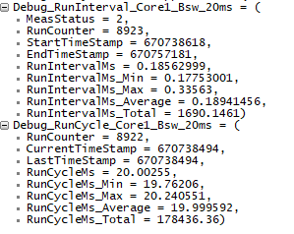
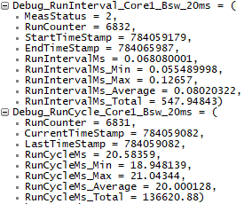
 |  | Core0_OsTask_OperationInovkedProxy | RE_ReportError | 1 | OperationInvoked

Core1 | OsApplication_C1 | Core1_DefaultTask |  |  | AutoStart |  | Use for EB start code,not mapping any runnable to here. | CEM
 |  | Core1_InitTask_Appl | Esm_Core1_InitFunction | 1 | Init
 |  |  | VdyAdapter_InitFunction | 2 | Init
 |  |  | FctAdapter_InitFunction | 3 | Init
 |  |  | LcfAdapter_InitFunction | 4 | Init

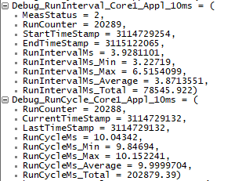
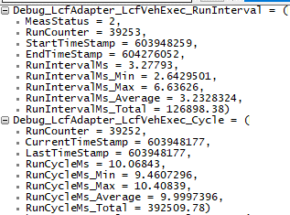
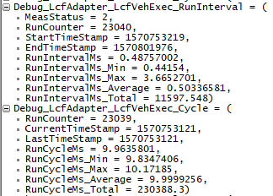
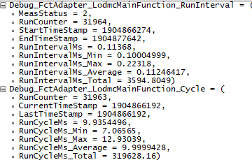
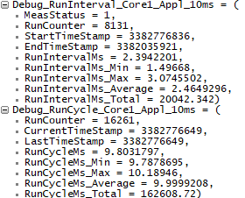
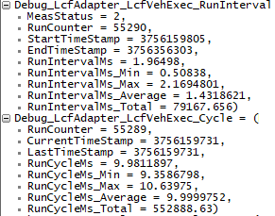
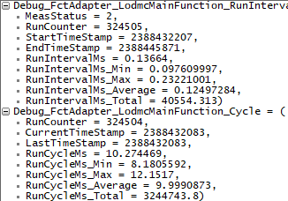
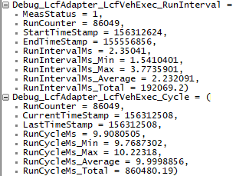
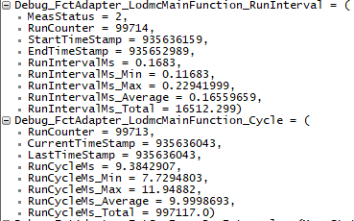
 |  | Core1_OsTask_Bsw_20ms | EcuM_MainFunction | 1 | 20ms
 |  |  | BswM_MainFunction | 2 | 20ms
 |  |  | Esm_Core1_MainFunction | 3 | 20ms

 |  | Core1_OsTask_Appl_10ms | LcfAdapter_MainFunction | 1 | 10ms
 |  |  | LcfAdapter_LcfVehExec | 2 | 10ms
 |  |  | FctAdapter_MainFunction | 3 | 10ms
 |  |  | FctAdapter_LodmcMainFunction | 4 | 10ms

 |  | Core1_OsTask_Appl_20ms | VdyAdapter_MainFunction |  | 20ms
 |  |  | VdyAdapter_VdyExec |  | 20ms
 |  |  | FctAdapter_FCTVeh_Exec |  | 20ms
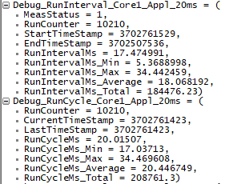
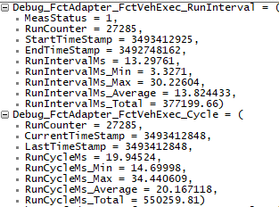
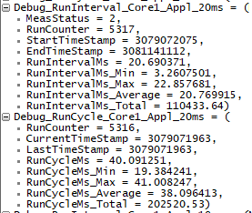
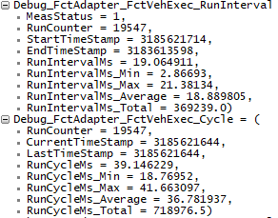
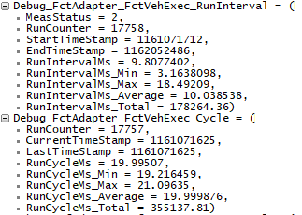
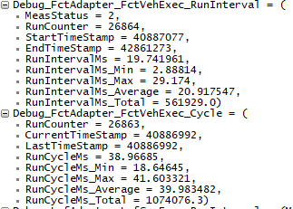
 |  | Core1_OsTask_Appl_50ms | LcfAdapter_LcfSenExec | 1 | 50ms

 |  | Core1_OsTask_Appl_60ms | FctAdapter_FCTSen_Exec |  | 60ms

 |  | Core1_OsTask_OperationInovkedProxy | EcuM_UpdateSleepMode | 1 | DataReceived
 |  |  | SE_BswMModeRequestPort_Slave_BSWM_STARTUP_TWO_B
 |  |  | SE_BswMModeRequestPort_Slave_BSWM_STARTUP_TWO_D

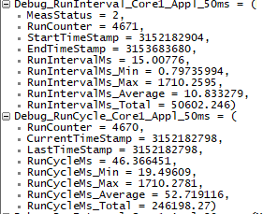
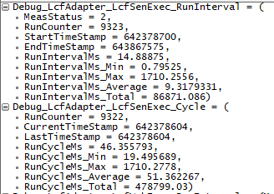
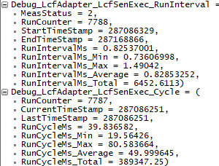
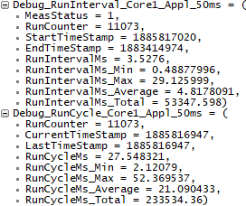
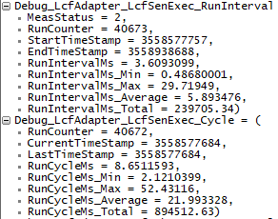
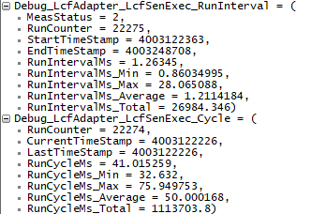
Core2 | OsApplication_C2 | Core2_DefaultTask |  |  | AutoStart |  | Use for EB start code,not mapping any runnable to here. | hla,tsa
 |  | Core2_InitTask_Appl | Core2Test_InitFunction | 1 | Init

 |  | Core2_OsTask_Bsw_20ms | EcuM_MainFunction | 1 | 20ms
 |  |  | BswM_MainFunction | 2 | 20ms

 |  | Core2_OsTask_Appl_10ms | Core2Test_MainFunction | 1 | 10ms

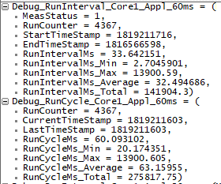
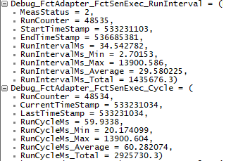
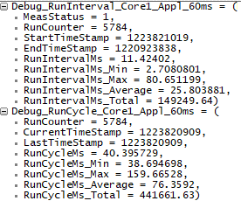
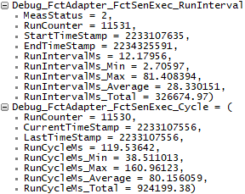
 |  | Core2_OsTask_OperationInovkedProxy | EcuM_UpdateSleepMode | 1 | DataReceived
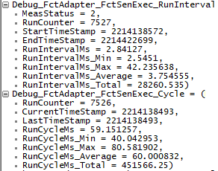
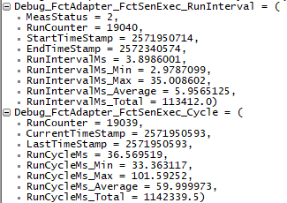

Core3 | OsApplication_C3 | Core3_DefaultTask |  |  | AutoStart |  | Use for EB start code,not mapping any runnable to here. | MTSI
 |  | Core3_InitTask_Appl | Core3Test_InitFunction | 1 | Init
 |  |  | MtsiAdapter_InitFunction | 2 | Init

 |  | Core3_OsTask_Bsw_20ms | EcuM_MainFunction | 1 | 20ms
 |  |  | BswM_MainFunction | 3 | 20ms

 |  | Core3_OsTask_Appl_10ms | Core3Test_MainFunction | 1 | 10ms
 |  |  | MtsiAdapter_MainFunction | 2 | 10ms

 |  | Core3_OsTask_OperationInovkedProxy | EcuM_UpdateSleepMode | 2 | DataReceived

